Sheet1
EDA LEVEL 2 T-SHIRT ORDERS

 | CLUB NAME:

 | ORDER CUT OFF: 1 MARCH 2024

 | WHITE LEVEL 2 T-SHIRT

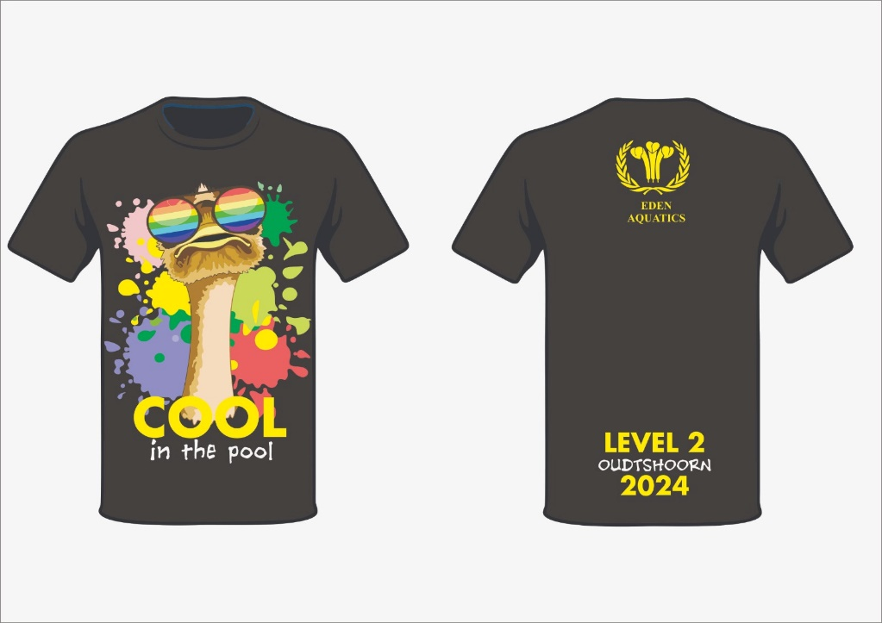
 | SIZE | QTY | PRICE | TOTAL
 | 9-10 |  | R280 | R0
 | 11-12 |  | R280 | R0
 | 13-14 |  | R280 | R0
 | SMALL |  | R280 | R0
 | MEDIUM |  | R280 | R0
 | LARGE |  | R280 | R0
 | XL |  | R280 | R0
 | 2XL |  | R280 | R0
 | 3XL |  | R280 | R0
 |  | 0 |  | R0

